List1
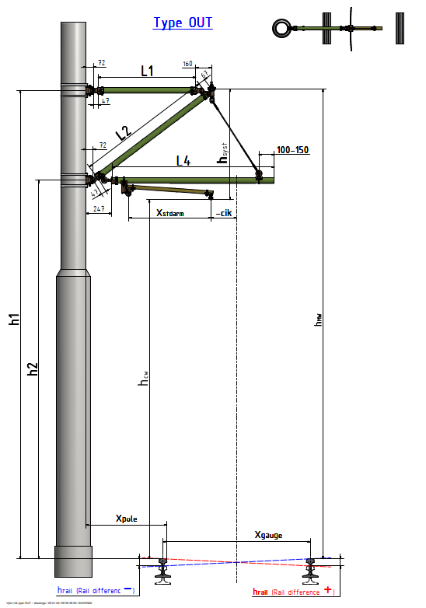
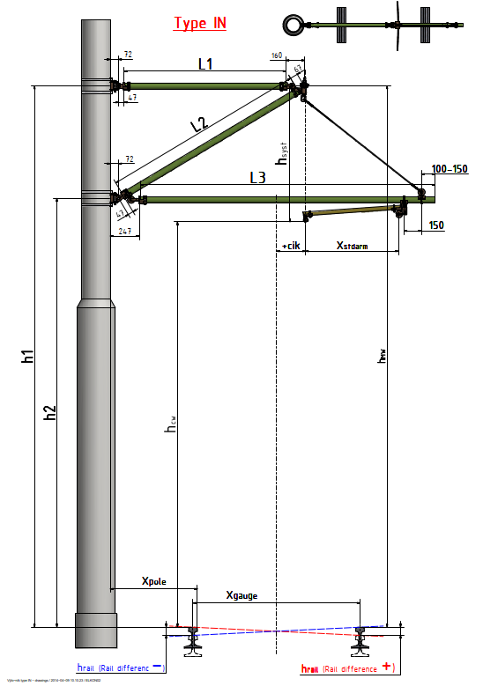
 | fill yellow cells only
hCW | 6000 | mm |  | CW height TOR
hsyst | 1200 | mm |  | system height
hMW | 7200 | mm |  | MW height TOR
Xcik | 250 | mm |  | max. stagger
in/out | in | koef | 1 | push/pull off cantilever type (push = IN = +1 / pull = OUT = -1 )
Xgauge | 1435 | mm |  | rail gauge
Xpole | 700 | mm |  | pole distance
Xstd arm | 800 | mm |  | steady arm length
hstd arm | 200 | mm |  | steady arm height (250mm = straight/200mm = curve)
hrail | 0 | mm |  | TOR difference

 |  |  | hrail | hCW | Xgauge
Xrail | 0 | mm | 0 | 6000 | 1435

 |  |  | hsyst | hstd arm
hdelta | 1000 | mm | 1200 | -200

 |  |  | hCW | hsyst
h1 | 7200 | mm | 6000 | 1200

 |  |  | hCW | hsyst | hdelta
h2 | 6200 | mm | 6000 | 1200 | -1000

 |  |  | L1-total | Xpole | Xgauge | Xcik |  | Xrail | clevis | hinge | MW holder
L1 | 1389 | mm | 1668 | 700 | 717.5 | 250 |  | 0 | 72 | 47 | 160

 |  |  | L2-total | hdelta2 | L1-total2 |  |  |  | clevis | hinge | MW holder
L2 | 1758 | mm | 1944 | 1000000 | 2780556 |  |  |  | 72 | 47 | 67

 |  |  | L3-total | Xpole | Xgauge | Xcik | Xrail | Xstd arm | hinges/clevises |  | eye dist. + reserve
L3 | 2521 | mm | 2521 | 700 | 717.5 | 250 | 0 | 800 | -247 |  | 300

 |  |  | L4-total | Xpole | Xgauge | Xrail |  |  | hinges/clevises |  | eye dist. + reserve
L4 | 0 | mm | 1321 | 700 | 717.5 | 0 |  |  | -247 |  | 150

GRP SUM | 5668 | mm

